Dashboard
Supply Chain and Freight Analytics Dashboard
www.dashwise.com
●

61,991
Monthly Balance
Year To Date
$264,193
Income
$81,336
81%
Expenses
$19,345
19%
 | Total
Jan | 11,949
Feb | 12,139
Mar | 9,472
Apr | 14,519
May | 28,744
Jun | 16,092
Jul | 61,991
Aug | 20,037
Sep | 28,741
Oct | 33,422
Nov | 15,819
Dec | 11,271
Balance
Track Expenses
Insurance
Fuel
Diesel Exhaust
Advance
$1,584
$4,800
$600
$3,000

Retaining Customer
New Customer
8
4

 | Sum of Rate | Sum of Total Expenses
Jan | 16668 | 4719.3
Feb | 18268 | 6129.2
Mar | 17290 | 7818.5
Apr | 19299 | 4780.3
May | 35060 | 6316.4
Jun | 21728 | 5636.4
Jul | 81336 | 19344.8
Aug | 26172 | 6135.2
Sep | 34532 | 5791.2
Oct | 48914 | 15492
Nov | 23910 | 8091.5
Dec | 15861 | 4590.3
Income & Expenses
Drivers Payroll
Odometer
3878
Miles
2927
Rate Per Miles
4182
Extra Stops
1300
744
Costs Driver Paid
328
Extra Pay
$5,299.40
Freight Expenses
Warehouse
Repairs
Tolls
Funding
$1,608
$650
$1,608
$72

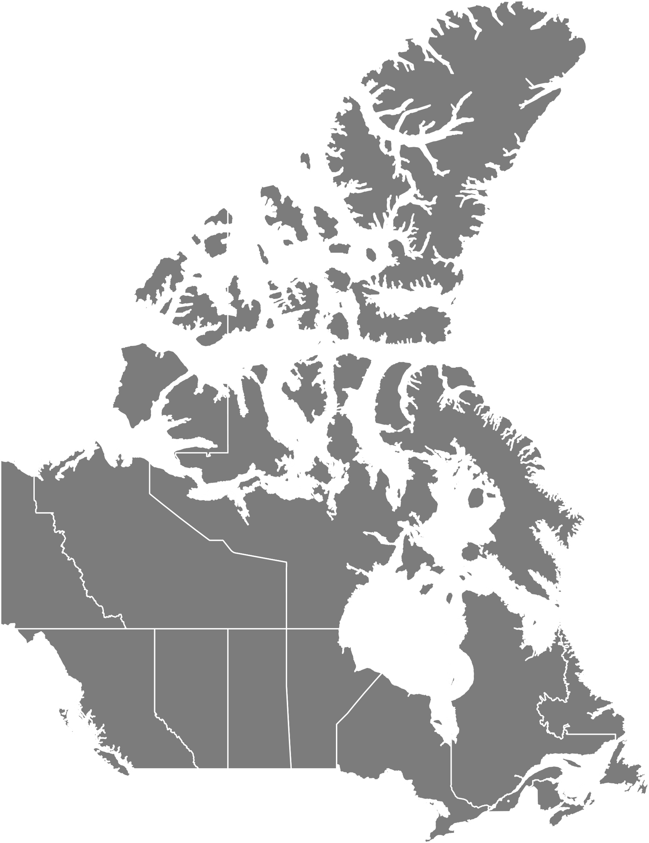
New Brunswick
Manitoba
British Columbia
Alberta
Yukon
Nova Scotia
4
-
2
2
2
2
-
Destinations
10
/Freight / 7Cities
Nunavut
Shipment Segment
Shipment Cost Settlement

First condition type
46675

Nunavut
Pricing Procedure
Load
1047.8
Iron
Sand
Wood
13
17
31

Shipment cost sub-items
71808
/Tone/131 Freights

Final Amount
107711
236

284

ERE Stage
61036
528
Basic freight
89760

